Cover
Cool experiments and tools for hobbyists and
future professionals

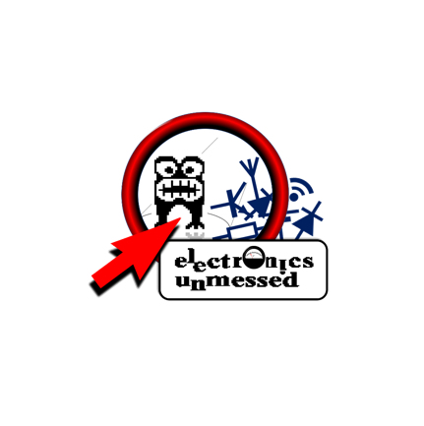

Tutorial on YouTube!

Cool Tool: | LoRa Transmitter Measurements

 |  | Evaluation of
 |  | Duty Cycle
 |  | Transmit Period
 |  | Airtime per Hour
 |  | Airtime per Day

Version 09.08.2021
Further distribution without changes is permitted

